Newton Rapshon
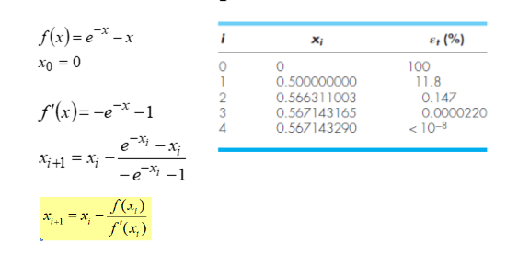
Rumus= f(x)
f(x)=(e^-x)-x
f'(x)=(-e^-x)-x

i | xi | f(x) | f'(x)
0 | 0 | 1 | -2
1 | 0.5 | 0.10653065971 | -1.6065306597
2 | 0.5663110032 | 0.001304509806 | -1.567615513
3 | 0.56714316503 | 1.9648047178E-07 | -1.5671433615
4 | 0.56714329041 | 4.4408920985E-15 | -1.5671432904

